INSTRUCTIONS
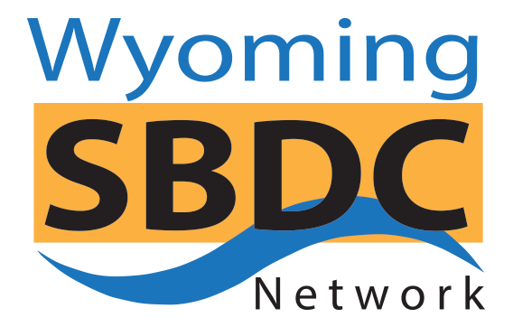

BUSINESS PLAN FINANCIAL SPREADSHEETS WORKBOOK

For the best results, meet with your local Wyoming SBDC Network advisor for help getting started: https://www.wyomingsbdc.org/contact/
Please note, each spreadsheet in this workbook is intentionally "Protected," so that users cannot accidentally change formulas. Cells that do not permit users to enter data are either designed to be left empty, contain formulas, or are linked to numbers on other pages of the workbook.
Some circumstances will require that the user "Unprotect" a sheet. For example, if any column is not wide enough to accommodate a number, "#####" will appear in that cell. To widen the column so you can see the number, or to decrease column width so you can print on a single page, you must "Unprotect" the sheet. Check Excel "Help" to learn how to "Protect and Unprotect sheets."
You must also "Unprotect" the sheet to add rows. We suggest that you do not add rows, but change row labels or add new labels to unlabeled rows or the rows marked "Other" or "Miscellaneous", as adding rows can change the formulas. The row names are linked throughout this workbook, so when you change a name on one sheet, that name should change on all the succeeding sheets. To change row names on all spreadsheets, you must change the name on the Start-up Expenses worksheet first. If a row name is not included on the Start-up Expenses Budget, then that row name is linked to the Operating Expenses Budget. Do not delete any rows. Deleting rows will change the formulas. NOTE: If you add a row on one sheet, you must add the same row in the same place on the other sheets and be careful to CHECK that all the formulas remain correct.
If you do "Unprotect" a sheet for any reason, we suggest that you immediately "Protect" the sheet again and save your changes to prevent any accidental modification of the formulas.
Most of the "Notes" cells on the sheets are formatted so the text will automatically flow on to multiple lines. To view all text written on a line, double click on the cell.
Numbers from the Loan Amortization Table will automatically flow into your Cash Flow spreadsheet, but you must make the starting month on the Cash Flow the same as the Base Month for the start of the loan for the numbers to be correct.
To scale a page so it will print on a single sheet, click on "Print," "Preview," "Page Set-up," and "Fit to One Page."
This workbook is a Beta version, please contact us, if you have any problems.
© 2019 Wyoming SBDC Network

